Financial Projections
Year | Revenue | Expenses | Net Income
1 | $113,880 | $128,000 | -$14,120
2 | $534,400 | $205,000 | $329,400
3 | $2,247,600 | $510,000 | $1,737,600

Break-even: 4,283 subscribers

Break-Even Analysis
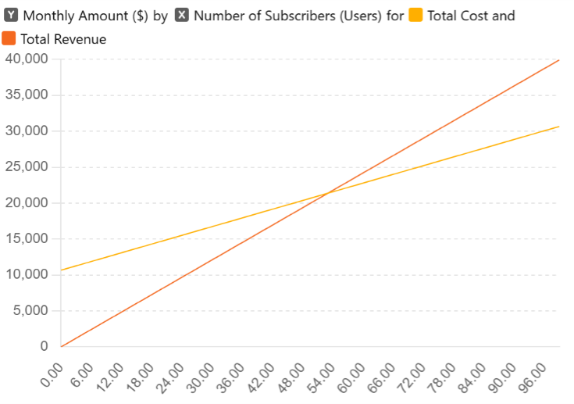

NPV,IRR, Payback
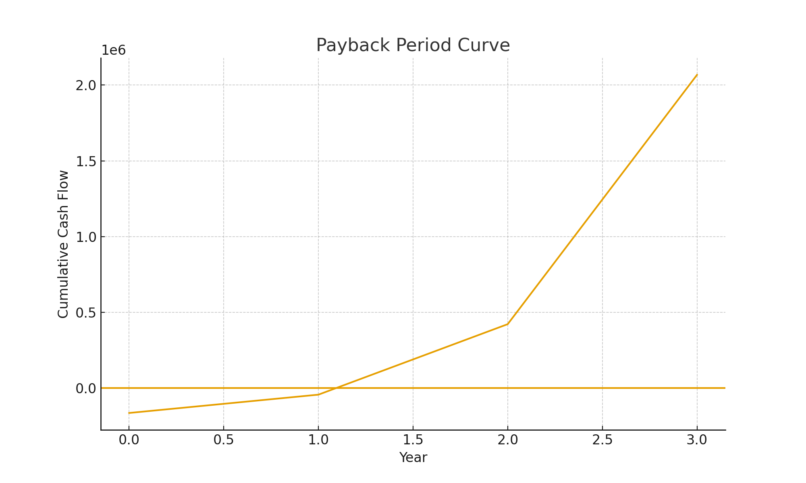
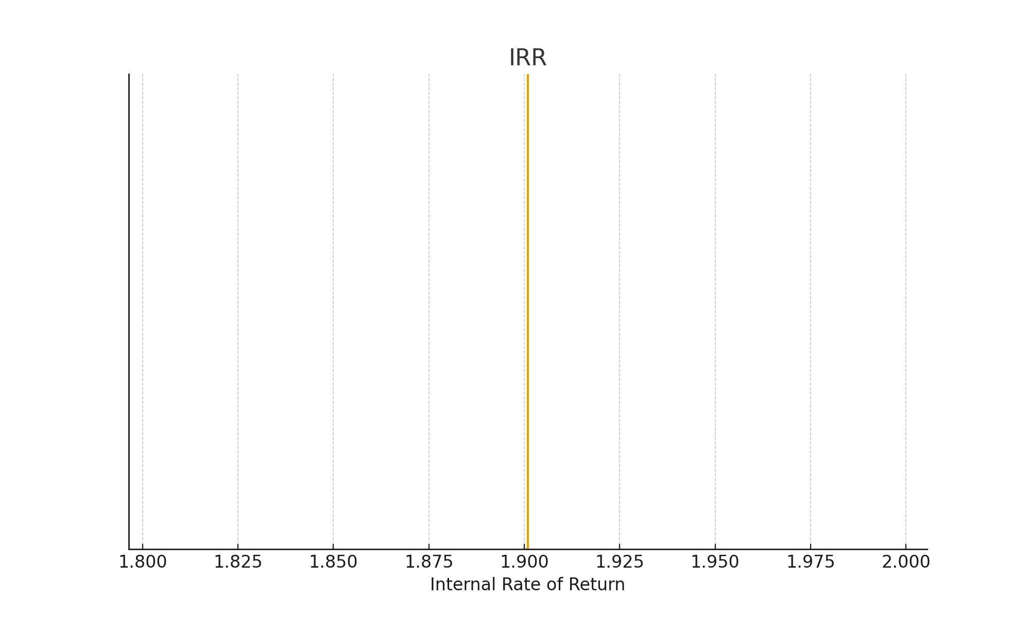
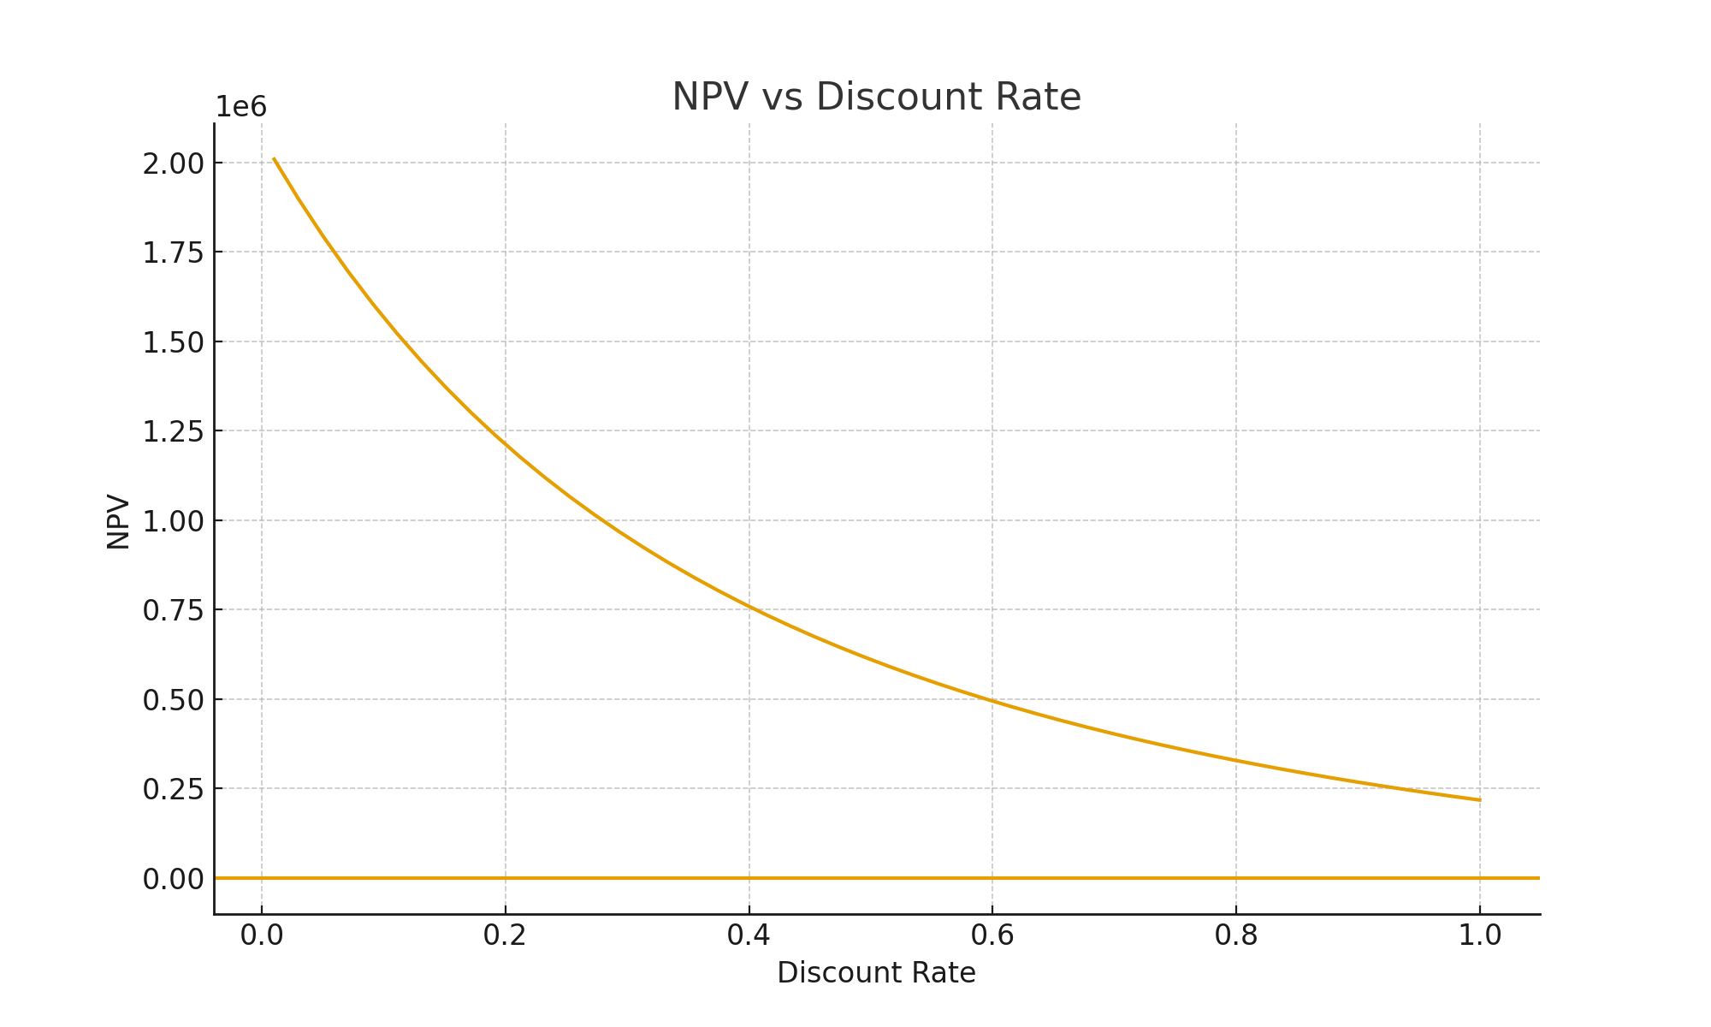

Final Financial Metrics Net Present Value (NPV) NPV = $1,072,727.20 This is a strongly positive NPV — the project creates over $1 million in present value after accounting for the high 25% required return. Internal Rate of Return (IRR) IRR = 190% This means the project generates a return almost 2× your investment every year equivalent, far exceeding typical hurdle rates. Payback Period Payback Period = 2 years Cumulative cash flow becomes positive in Year 2.

